Methodology
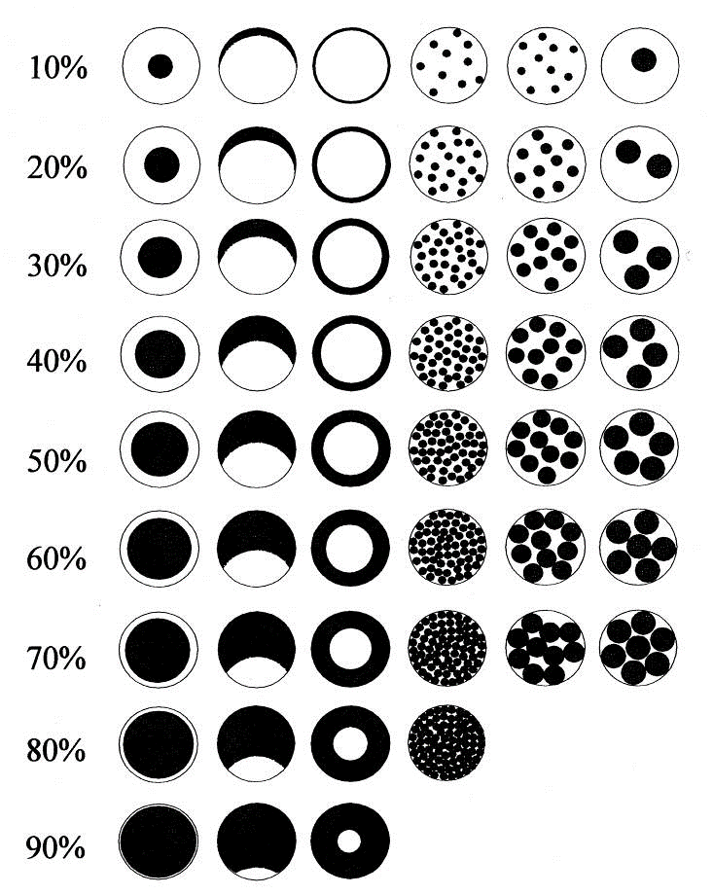
Wisconsin DNR Rapid Floristic Quality Assessment Protocol |  | Version 1.0 December 2023
Once the AA has been determined, data collection can begin. Data collection should result in a list of all dominant plant taxa present within the AA with accompanying areal estimates of cover.
Step 1: Select a field form based on wetland community type (Herbaceous, Shrub, or Forested) and complete top portion of form (Assessor name, date, AA name, etc).
Step 2: Locate a start point in a representative area within the AA, away from the edge. Record your latitude and longitude and start your meander track (optional).
Step 3. Begin identifying and recording plant taxa that appear most abundant by cover in the tree, shrub, and herb layer by marking the appropriate taxonomic group as “Dominant” or "Present" on the form under the "Present?" column. If a dominant species is not on the form, it can be written in the blanks at the bottom of each form. If the dominant species is unknown, enter a descriptor in the comments section provided and collect for later identification.
Step 4: Begin meandering through the wetland seeking out and recording all new locally dominant taxa observed. Avoid upland communities.
Step 5: Stop the survey when you have: a) visually scanned most of the AA, b) you are no longer finding new dominant taxa, and c) you are satisfied you have captured all taxa dominating at least 10% of the AA. The survey should take approximately 15 minutes; however, some wetlands may take longer. Stop the meander track (if using).
Step 6: Assign areal cover estimates to each taxa identified by writing in a number from 1% to 100% under the “Final % Cover” columns.
Step 7: Determine if you have met the minimum number of taxa required for the wetland type. The top 3, 4, or 5 most-abundant taxa (depending on Cowardin class), including all taxa with 10% or more areal cover.

Tips for estimating visual cover of plant species in wetlands:
1) Cover totals, even for only dominant species, often exceed 100% in densely vegetated wetlands and wetlands with multiple vegetation strata.
2) In the middle ranges of cover i.e. 30 - 70% , estimating cover to the nearest 10% is acceptable. Otherwise, estimate to the nearest 5% or less.
3) Estimate cover in pairs with another observer whenever possible to avoid over-estimated or under-estimated cover values.
4) If the area is small it can be helpful to use absolute area amounts as a guide, i.e. in a 1 acre wetland 10% cover is 440 sq feet. | Figure citation: Oldham R.S., Keeble J., Swan M.J.S. & Jeffcote M. (2000). Evaluating the suitability of habitat for the Great Crested Newt (Triturus cristatus). Herpetological Journal 10(4), 143-155.

