ReadMe
NRCS Excel Workbook Estimating 'Other' Erosion Types July 2017 NRCS Wisconsin

Annual soil loss predictions for conservation planning purposes are made with current soil loss prediction technology (RUSLE2). RUSLE2 estimates sheet, rill and interrill erosion. Erosion that is seasonal in nature and caused by concentrated flow, however, is not predicted by RUSLE2.
This workbook provides conservation planners with simple tools and processes to help estimate the amount of erosion occurring in ephemeral gullies, classic gullies and on streambank erosion sites.

Definitions:

Rill Erosion: consists of the removal of soil by concentrated water running through little streamlets, or headcuts. Detachment in a rill occurs if the sediment in the flow is below the amount the load can transport and if the flow exceeds the soil's resistance to detachment. As detachment continues or flow increases, rills will become wider and deeper. Rills may be of any size but are usually less than four inches deep. Rills are:
 | <> generally parallel on the slope, but may converge,
 | <> generally of uniform spacing and dimension,
 | <> generally appear at different locations on the landscape from year to year,
 | <> generally shorter than ephemeral cropland gullies,
 | <> usually end at a concentrated flow channel, or an area where the slope flattens and deposition occurs,
 | <> are on the same portion of the slope that is used to determine the length of slope (L) for RUSLE2,
 | <> many small, but conspicuous channels running in the direction of slope gradient

 | Rill erosion is considered in the RUSLE2 calculations.

Ephemeral Gully Erosion: Small erosion channels formed on crop fields as a result of concentrated flow of runoff water. These channels are routinely eliminated by tillage of the field but return following subsequent runoff events. Ephemeral Gullies are small enough to be eliminated (temporarily) with the use of typical farm tillage equipment and they:
 | <> recur in the same area of concentrated flow each time they form,
 | <> frequently form in well-defined depressions in natural drainage ways,
 | <> are generally wider, deeper, and longer than the rills in the field,

 | Ephemeral Gullies are not calculated by the RUSLE2 program.

Gully Erosion: Permanent gullies are formed when channel development has progressed to the point where the gully is too wide and too deep to be tilled across. These channels carry large amounts of water after rains and deposit eroded material at the foot of the gully. They disfigure landscape and make the land unfit for growing crops. Gullies:
 | <> may grow or enlarge from year to year by head cutting and lateral enlarging,
 | <> often occur in depressions or natural drainage ways,
 | <> may begin as ephemeral gullies that were left in the field untreated,
 | <> may, over time, become partially stabilized by grass, weeds or woody vegetation,

 | Gully erosion is not calculated by the RUSLE2 program.

Streambank Erosion: The wearing away of streambanks by flowing water. The removal of soil from streambanks is typically caused by the direct action of stream flow and/or wind/wave action, typically occurring during periods of high flow. Streambank erosion:
 | <> is a natural process that generally increases when unprotected streambanks (e.g. no woody vegetation) are subject to the actions of flowing water and ice damage.
 | <> is a common occurrence on many Wisconsin river channels that are experiencing geomorphic adjustments

The soil loss from ephemeral gullies, gullies and streambank erosion areas can be estimated by the direct volume method of soil removed by erosion processes. The volume of soil loss can be multiplied by the typical unit weight of the soil (based on soil texture) which is eroded. Approximate soil unit weights are expressed below1:

 |  | APPROXIMATE SOIL WEIGHT
 |  | USDA Soil texture | Estimated Moist Bulk Density Lb/ft3
 |  | Organic | 22
 |  | Clay | 80
 |  | Sandy Clay | 85
 |  | Silty Clay | 85
 |  | Clay Loam | 95
 |  | Loam | 95
 |  | Silt | 95
 |  | Silt Loam | 95
 |  | Silty Clay Loam | 95
 |  | Loamy Sand | 100
 |  | Sandy Clay Loam | 100
 |  | Sandy Loam | 100
 |  | Sand | 105
 |  | Gravel | 110

Procedure for estimating Ephemeral Soil Erosion:
 | The following formula will be used to calculate annual estimated ephemeral gully erosion:

 | Ephemeral Gully Length X Gully Average Width X Gully Average Depth |  |  | X Soil Weight (lbs/ft3) X Occurrences per Year = |  |  | Estimated Soil Loss (Tons per Year)
 | 2000

 | * Ephemeral gully erosion may reform multiple times per year, and under certain conditions it may not form in a given year. The voided volume which would be calculated after a runoff event is not necessarily representative of an annual rate, but is representative of only the specific event. This erosion can be calculated for individual storms and can be summed for a yearly estimate.
 | 1 Data from published soil surveys, laboratory data, and soil interpretation record are to be used where available. Parent materials, soil consistency, soil structure, pore space, soil texture, and coarse fragments all influence unit weight.

Procedure for estimating Gully Soil Erosion:
 | The following formula will be used to calculate annual estimated classic gully erosion:

 | Gully Length X (Average Width X Average Depth) X Soil Weight (lbs/ft3) |  |  |  | / Formation Years | = Estimated Soil Loss Per Year (Tons)
 | 2000

Procedure for estimating Streambank Soil Erosion (Direct Volume Method):
 | The following formula will be used to calculate annual estimated streambank erosion unless a field measurement procedure2 is used:

 | Eroding Bank Length X Eroding Bank Height X Lateral Recession Rate (FT/YR) X Soil Weight (lbs/ft3) |  |  |  |  | = Estimated Soil Loss Per Year (Tons)
 | 2000

 | Stream bank erosion sometimes presents itself as a major occurance in a given year, whereas the same bank may not erode significantly for a period of years if no major runoff events occur. Recession rates need to be calculated as an average of years when erosion does and does not occur. Recession rate is not calculated as the erosion occurring after a single event.
 | Use available resources to assist in the estimation of recession rate: use past and present aerial photography, old survey records, and any other information that helps to determine the bank condition at known times in the past. When such information is lacking or insufficient, field observations and professional judgement are needed to estimate recession rates. It is often not possible to directly measure recession rates in the field. Therefore, the following table has been included which relates recession rates to narrative descriptions of banks eroding at different rates.
 | 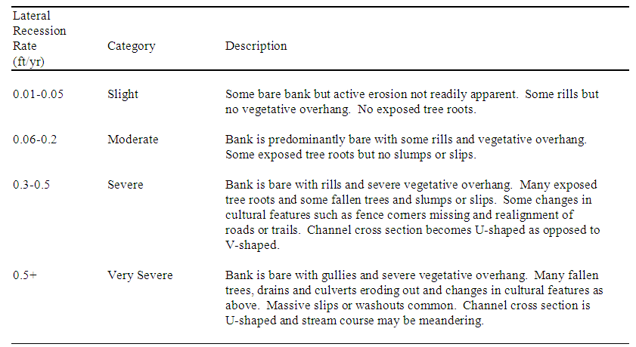
 | 2 The best way to quantify streambank erosion is to measure it directly in the field. The basic procedure in measuring streambank erosion is to survey, flag, or in some way fix a “before" image of the channel you are evaluating in order to establish the baseline condition. Changes due to erosion can then be monitored over time by going back to the study area and re-measuring from the fixed reference points. Channel cross-sections can be surveyed and plotted on a periodic basis to monitor change. Stakes or pins can be driven into channel banks flush with the surface. The amount of stake or pin exposed due to erosion is the amount of change at the streambank erosion site between your times of observation. The time required to monitor a site often precludes this method of data collection. The Direct Volume Method can be used to estimate streambank erosion at your site.

Acknowledgements: This Excel workbook was created as a planning tool for use by conservation planners. The basic format and content of the tool is a compilation of various similar tools, processes and procedures employed by NRCS in several states including: Indiana, Iowa, Kansas, Maryland, Michigan, Missouri, Nebraska, Oklahoma, South Dakota and Wisconsin. Some of the terminology in the 'Definitions' section of this Readme document closely mirrors these sources.
3/18/15 Modified by Mike Dreischmeier, NRCS Wisconsin. Changed formulas for gully erosion volume calculations.
6/30/15 Modified by Scott Mueller, NRCS Wisconsin. Modified soil weights and read me file. (1/2 base x height) is area not length.

6/29/2017 modified streambank "height" to: Eroding bank height is measured along the slope of the bank (hypotenuse), not the vertical height of bank.

