Instructions
WDNR Lower Fox River Tributary Water Quality Dataset
This spreadsheet is designed to offer a quick, interactive, and easy way to access surface water quality monitoring data and field data for 20 sampling locations sampled through the Lower Fox River Volunteer Monitoring Program. Citizen volunteers collect surface water samples once per month, May - October, and ship samples to the Wisconsin State Lab of Hygiene in Madison where they are analyzed.
This spreadsheet offers two seperate tabs to access water quality data and field data for the monitoring locations. The Water Quality Data tab provides water quality data and associated graphs for Total Phosphorus, Dissolved Reactive Phosphorus, Total Suspended Solids, and Total Nitrogen concentrations. The Flow & Transparency Data tab provides data and associated graphs for stream flow and water transparency. Data in this Spreadsheet is draft.
To Use: Start at the Red arrow next to the Blue cell. Click on the cell to access dropdown menu where sampling locations are listed. Click on the down arrow and select a sampling location to generate data in the table and associated graphs. A map and additional information about the Lower Fox River Volunteer Monitoring Program are available in the Location Information tab.

Water Quality Data
Lower Fox Tributary Interactive Surface Water Data Spreadsheet

 |  |  |  | TP State WQ Standard - 0.075 mg/L
 |  |  | Total Phosphorus (mg/L) |  |  |  |  |  |  |  |  | Dissolved Reactive Phosphorus (mg/L) |  |  |  |  |  |  |  |  | Total Suspended Solids (mg/L) |  |  |  |  |  |  |  |  | Total Nitrogen (mg/L)
 | Select a Sampling Location | Month | 2015 | 2016 | 2017 | 2018 | 2019 | 2020 | 2021 | 2022 | 2023 | 2015 | 2016 | 2017 | 2018 | 2019 | 2020 | 2021 | 2022 | 2023 | 2015 | 2016 | 2017 | 2018 | 2019 | 2020 | 2021 | 2022 | 2023 | 2020 | 2021 | 2022 | 2023
 | Apple Creek - Rosin Rd | May | 0.34 | 0.0714 | 0.331 | 0.168 | 0.23 | - | - | 0.0308 | 0.0716 | 0.16 | 0.0266 | 0.141 | 0.0861 | 0.109 | - | - | ND | 0.0293 | 61 | 3.2 | 47.7 | 15 | 82 | - | - | 3 | 3 | - | - | 1.14 | 2.01
To Use: Select the Blue box under 'Select a Sampling Location' to access dropdown menu. In the dropdown menu, select a sampling location to populate sampling data and graphs.
 |  | June | 0.268 | 0.342 | 1.67 | 0.244 | 0.262 | - | 0.514 | 0.184 | 0.103 | 0.18 | 0.187 | 0.323 | 0.167 | 0.123 | - | 0.26 | 0.132 | 0.0767 | 4.4 | 82.3 | 1010 | 13.3 | 82.3 | - | 141 | 698 | ND | - | 23.1 | 2.22 | 0.746
 |  | July | 0.354 | 0.407 | 0.345 | 0.319 | 0.267 | - | 0.176 | 0.376 | 0.462 | 0.27 | 0.259 | 0.251 | 0.264 | 0.219 | - | 0.082 | 0.306 | 0.386 | 11.4 | 61.4 | 39.3 | 7 | 13.6 | - | 20.6 | 16.9 | 2 | - | 1.18 | 1.89 | 1.08
 |  | August | 0.278 | 0.251 | 0.207 | - | 0.288 | 0.267 | 0.186 | 0.888 | 0.277 | 0.201 | 0.173 | 0.126 | - | 0.136 | 0.095 | 0.143 | 0.348 | 0.146 | 17.4 | 13.2 | 14.7 | - | 11.5 | 59.2 | 4 | 378 | 18.4 | 1.16 | 0.976 | 3.99 | 1.06
 |  | September | 0.199 | 0.954 | 0.305 | 0.147 | 0.273 | 0.126 | 0.094 | 0.355 | 0.185 | 0.139 | 0.341 | 0.238 | 0.0724 | 0.188 | 0.0623 | 0.061 | - | 0.102 | 8.75 | 420 | 11.6 | 2.6 | 19.8 | - | 19.8 | 54.5 | 13.2 | 1.44 | 0.858 | 3.27 | 0.758
 |  | October | 0.224 | 0.141 | 0.254 | 0.0691 | 0.224 | 0.122 | 0.0673 | 0.0762 | 0.189 | 0.182 | 0.106 | 0.15 | 0.0341 | 0.16 | 0.0861 | 0.0452 | 0.0463 | 0.125 | 7.8 | 3.2 | 7.8 | ND | 39.5 | - | ND | 2.2 | 7 | 0.122 | 0.594 | 0.555 | 0.829
 |  | Average | 0.277 | 0.361 | 0.519 | 0.189 | 0.257 | 0.172 | 0.207 | 0.318 | 0.215 | 0.189 | 0.182 | 0.205 | 0.125 | 0.156 | 0.081 | 0.118 | 0.208 | 0.144 | 18.5 | 97.2 | 188.5 | 9.5 | 41.5 | 59.2 | 46.4 | 192.1 | 8.7 | 0.907 | 5.342 | 2.177 | 1.081
 |  | Median | 0.273 | 0.297 | 0.318 | 0.168 | 0.265 | 0.126 | 0.176 | 0.269 | 0.187 | 0.181 | 0.180 | 0.194 | 0.086 | 0.148 | 0.086 | 0.082 | 0.219 | 0.113 | 10.1 | 37.3 | 27.0 | 10.2 | 29.7 | 59.2 | 20.2 | 35.7 | 7.0 | 1.160 | 0.976 | 2.055 | 0.945
KEY
ND = Sample concentration was undetectable.
" - " = No sample collected.
mg/L = Milligrams/Liter
Total Phosphorus
 | May | June | July | August | September | October | TP WQ Standard | Median
2015 | 0.34 | 0.268 | 0.354 | 0.278 | 0.199 | 0.224 | 0.075 | 0.273
2016 | 0.0714 | 0.342 | 0.407 | 0.251 | 0.954 | 0.141 | 0.075 | 0.297
2017 | 0.331 | 1.67 | 0.345 | 0.207 | 0.305 | 0.254 | 0.075 | 0.318
2018 | 0.168 | 0.244 | 0.319 | 0 | 0.147 | 0.0691 | 0.075 | 0.168
2019 | 0.23 | 0.262 | 0.267 | 0.288 | 0.273 | 0.224 | 0.075 | 0.265
2020 | 0 | 0 | 0 | 0.267 | 0.126 | 0.122 | 0.075 | 0.126
2021 | 0 | 0.514 | 0.176 | 0.186 | 0.094 | 0.0673 | 0.075 | 0.176
2022 | 0.0308 | 0.184 | 0.376 | 0.888 | 0.355 | 0.0762 | 0.075 | 0.269
2023 | 0.0716 | 0.103 | 0.462 | 0.277 | 0.185 | 0.189 | 0.075 | 0.187
Dissolved Reactive Phosphorus
 | May | June | July | August | September | October | TP WQ Standard | Median
2015 | 0.16 | 0.18 | 0.27 | 0.201 | 0.139 | 0.182 | 0.075 | 0.181
2016 | 0.0266 | 0.187 | 0.259 | 0.173 | 0.341 | 0.106 | 0.075 | 0.180
2017 | 0.141 | 0.323 | 0.251 | 0.126 | 0.238 | 0.15 | 0.075 | 0.194
2018 | 0.0861 | 0.167 | 0.264 | 0 | 0.0724 | 0.0341 | 0.075 | 0.086
2019 | 0.109 | 0.123 | 0.219 | 0.136 | 0.188 | 0.16 | 0.075 | 0.148
2020 | 0 | 0 | 0 | 0.095 | 0.0623 | 0.0861 | 0.075 | 0.086
2021 | 0 | 0.26 | 0.082 | 0.143 | 0.061 | 0.0452 | 0.075 | 0.082
2022 | 0 | 0.132 | 0.306 | 0.348 | 0 | 0.0463 | 0.075 | 0.219
2023 | 0.0293 | 0.0767 | 0.386 | 0.146 | 0.102 | 0.125 | 0.075 | 0.113

Total Nitrogen
Total Suspended Solids

Flow & Transparency Data
Lower Fox Tributary Interactive Surface Water Data Spreadsheet

 | Select Sampling Location | Stream Flow (Cubic Feet per Second) |  |  |  |  |  |  |  |  |  | Water Transparency (Centimeters) [0 cm (Cloudy) - 120 cm (Clear)]
 | Apple Creek - Rosin Rd | Month | 2015 | 2016 | 2017 | 2018 | 2019 | 2020 | 2021 | 2022 | 2023 | Month | 2015 | 2016 | 2017 | 2018 | 2019 | 2020 | 2021 | 2022 | 2023
 |  | May | - | - | 40.1 | - | - | - | - | - | - | May | - | - | 10.48 | 41.4 | - | - | - | 120 | 120
To Use: Select the Blue box under 'Select Sampling Location' to access dropdown menu. In the dropdown menu, select a sampling location to populate sampling data and graphs.
 |  | June | - | - | 55.7 | - | - | - | - | - | - | June | - | - | 5 | 59 | 12 | - | - | 60 | 120
 |  | July | - | - | - | - | - | - | - | - | - | July | - | - | 5.11 | 46.5 | - | - | - | 46 | 120
 |  | August | - | - | - | - | - | - | - | - | - | August | - | - | - | - | - | 25 | - | 4 | 34
 |  | September | - | - | 6.2 | - | - | - | - | - | - | September | 38.5 | - | 7.4 | 0.5 | 32 | 26 | 81 | 16.5 | 35
 |  | October | - | - | - | - | - | - | - | - | - | October | - | - | - | 70 | - | - | - | 109 | 83

Transparency
Stream Flow

Location Information
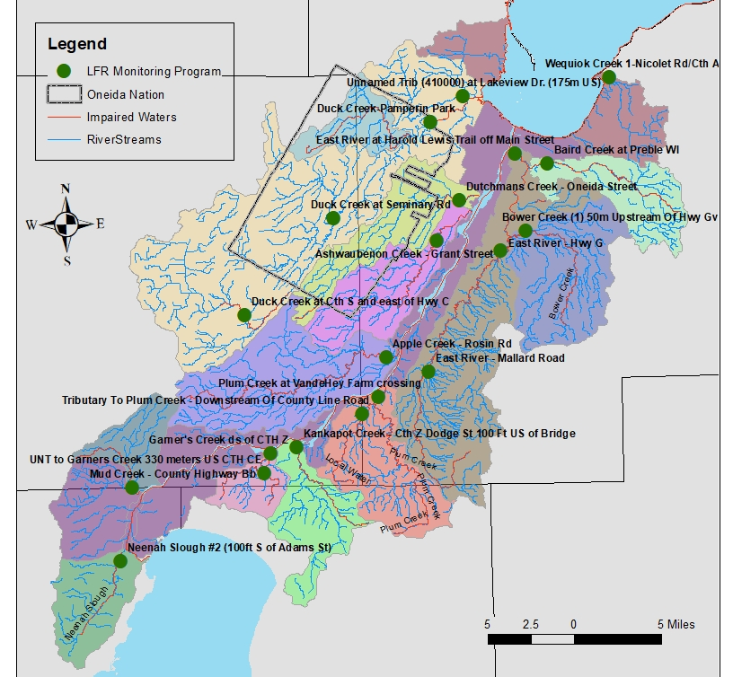
Stream Name | SWIMS ID | SWIMS Station Name
Ashwaubenon Creek | 10016502 | Ashwaubenon Creek - Grant Street
Lower Duck Creek | 10038644 | Duck Creek - Pamperin Park
Wequiock Creek | 10010769 | Nicolet Rd/Cty A
Bower Creek | 10009445 | Bower Creek (1) 50m Upstream of Hwy Gv
Upper East River | 53508 | East River at Mallard Rd
West Plum Creek | 10016494 | Downstream of County Line Rd
Mid Duck Creek | 453255 | Duck Creek at Seminary Rd
Baird's Creek | 53683 | Baird Creek at Preble WI
East River | 10043279 | East River @ Harold Lewis Trail off Main Street
Plum Creek | 10046999 | Plum Creek - VandeHey Farm Crossing
Trib to Garners Cr | 10047157 | US CTH CE
Dutchman's Creek | 10015851 | Dutchmans Creek - Oneida Street
Upper Duck Creek | 10029975 | Duck Creek at CTH S
Garner's Creek | 10043028 | Garner's Creek - DS of Cty Z
Kankapot Creek | 453261 | Kankapot Creek - Cth Z Dodge St 100 Ft US of Bridge
Lancaster Creek | 10034510 | Unnamed Trib. (410000) - Lakeview Dr
Mud Creek | 453258 | Mud Creek - County Highway BB
East River (G) | 53675 | East River - Hwy G
Apple Creek | 53684 | Apple Creek - Rosin Rd
Neenah Slough | 10032175 | Neenah Slough #2 (100ft S of Adams St)

